Variables
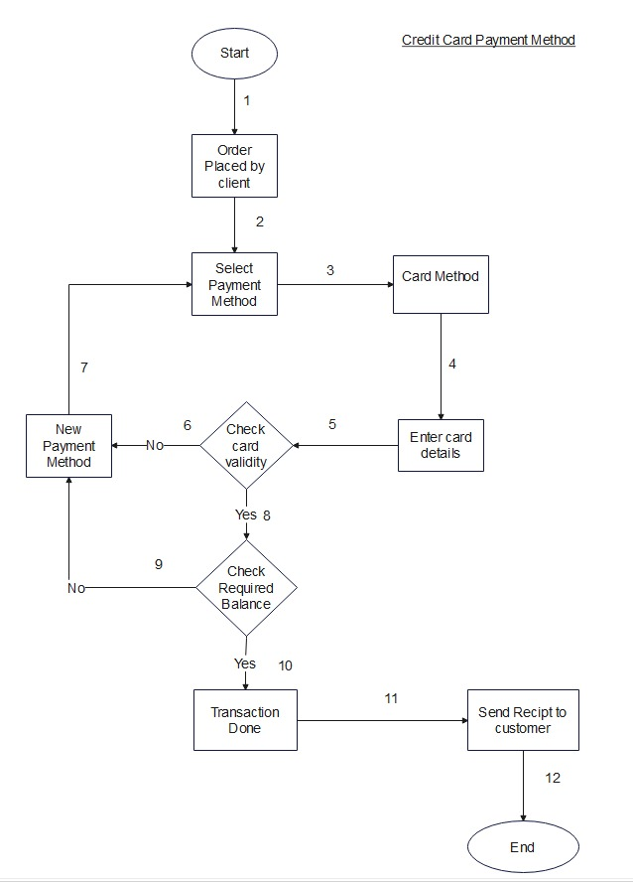
Input Varaibles
Card Number
CVV Number
Expiray Date
Balance

